VSMPX
ETF Performance Tracker (July 2025) By Theodore & Moses

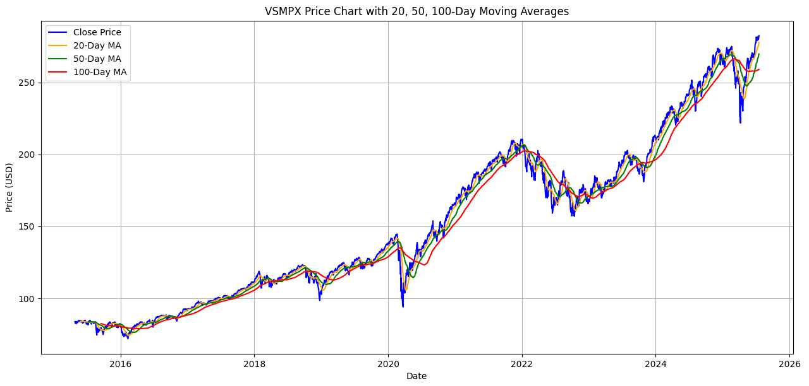
Vanguard Total Stock Market Index Fund (VSMPX)

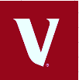
Description: Aims to track the performance of the CRSP US Total Market Index, providing broad
exposure to the entire US equity market.
Inception Date: 28/04/2015
Annualized Return: 13.94%
Volatility: 16.74%
Sharpe Ratio: 0.68
Alpha: 0.0035%
Beta: 0.9996

VSMPX Against Market Returns
 | VSMPX | Benchmark (CRSP US Total Market Index)
2016 | 12.69% | 12.68%
2017 | 21.19% | 21.19%
2018 | -5.15% | -5.17%
2019 | 30.82% | 30.84%
2020 | 21.02% | 20.99%
2021 | 25.74% | 25.72%
2022 | -19.51% | -19.49%
2023 | 26.03% | 25.98%
2024 | 23.76% | 23.77%
Sector Exposure
 | VSMPX weight
Basic Materials | 1.50%
Consumer Disrectionary | 14.60%
Consumer Staples | 4.00%
Energy | 3.20%
Financial | 11.60%
Health care | 9.20%
Industrials | 12.80%
Real Estate | 2.50%
Technology | 35.90%
Telecommunications | 2.00%
Utilities | 2.70%

ICOM
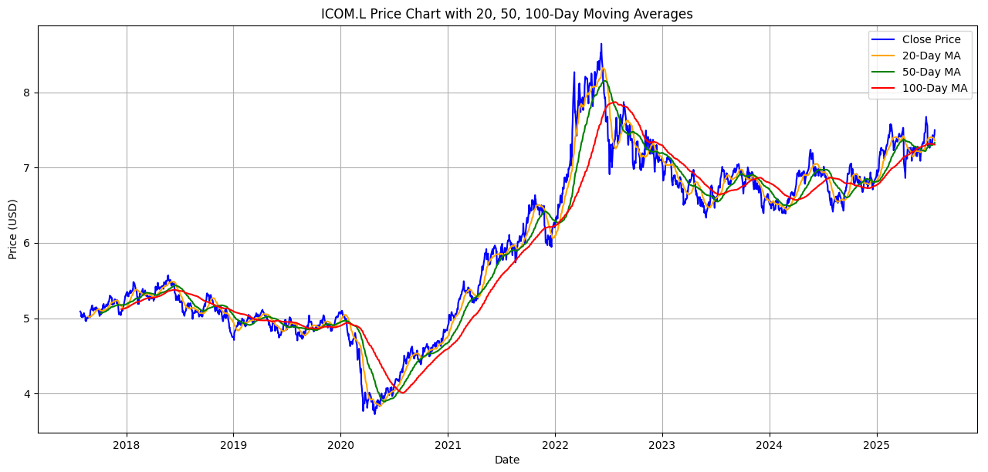
BlackRock iShares Diversified Commodity Swap UCITS ETF (ICOM)


Description: Aims to track the Bloomberg Commodity Index, offering investors diversified
exposure to global commodities.
Inception Date: 18/07/2017
Annualized Return: 0.97%
Volatility: 13.58%
Sharpe Ratio: -0.11
Alpha: -2.79%
Beta: 0.82
ICOM Against Market Returns
 | ICOM returns | Benchmark (Bloomberg Commodity Total Return Index)
2018 | -11.60% | -11.20%
2019 | -11.20% | 7.70%
2020 | -3.10% | -3.10%
2021 | 26.80% | 27.10%
2022 | 15.10% | 16.10%
2023 | -8.40% | -7.90%
2024 | 5.20% | 5.40%
ICOM Returns Against CPI Growth
 | ICOM returns | CPI Growth
2018 | -11.60% | 0.30%
2019 | -11.20% | -0.60%
2020 | -3.10% | -0.60%
2021 | 26.80% | 3.50%
2022 | 15.10% | 3.30%
2023 | -8.40% | -3.90%
2024 | 5.20% | -1.20%

SGLO
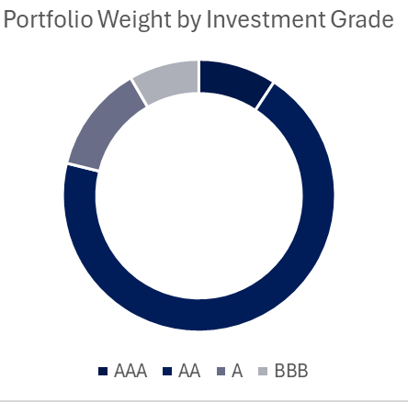
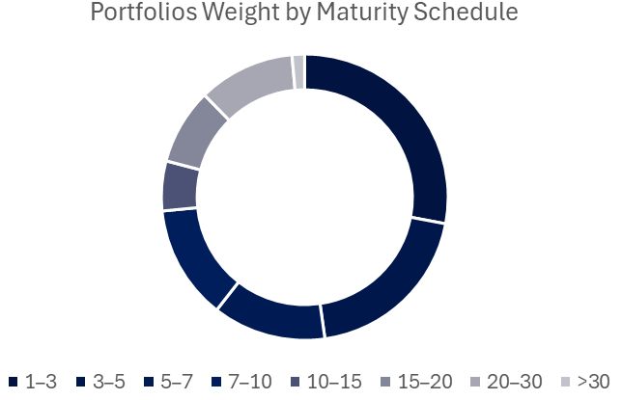
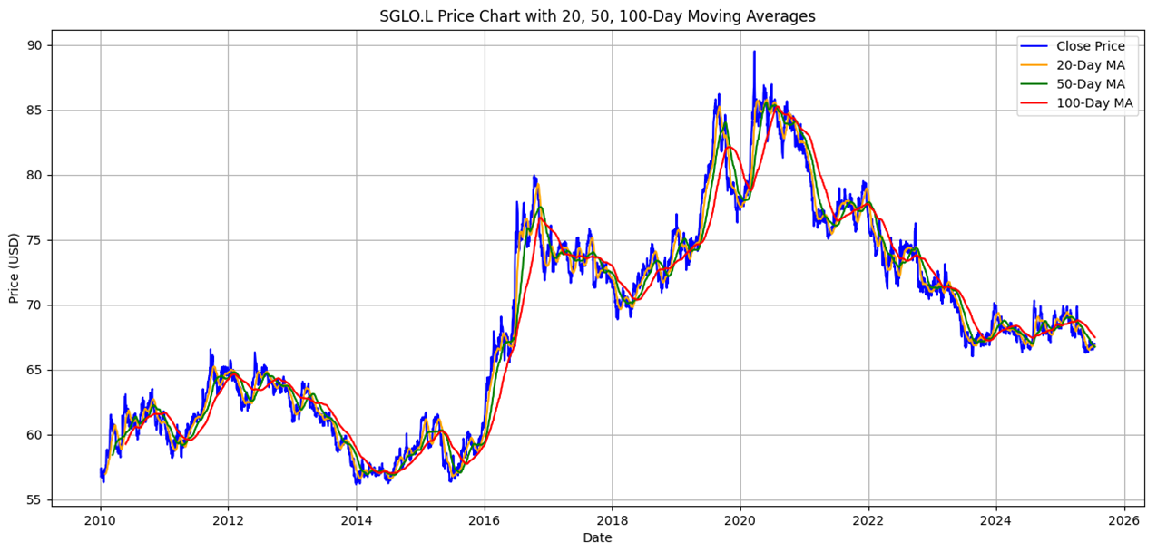
Fidelity iShares Global Govt Bond UCITS ETF USD (DIST) SGLO
Description: Aims to track the performance of the FTSE World Government Bond Index,
providing broad exposure to investment-grade sovereign bonds from developed markets.
Inception: 06/03/2009
Annualized Return: -1.48%
Volatility: 11.13%
Sharpe Ratio: -0.36
Alpha: -0.01%
Beta: 0.85
SGLO Returns Against the Market
 | SGLO Returns | Index (Global Government Bond)
2014 | -0.01% | -0.72%
2015 | 32.48% | 27.61%
2016 | -2.82% | -0.10%
2017 | -0.35% | -1.16%
2018 | 9.46% | 8.49%
2019 | 8.14% | 6.58%
2020 | -10.78% | -9.22%
2021 | -4.63% | -4.98%
2022 | -7.20% | -6.75%
2023 | -1.09% | -0.60%
2024 | -0.68% | 0.37%

Comparisons & Analysis
Returns for SGLO,ICOM,VSMPX, the S&P 500 and the 10-Year US Treasury Yield
 | SGLO | ICOM | VSMPX | S&P 500 | 10-Year US Treasury Yield
2014 | -0.01% |  |  | 11.39% | 2.54%
2015 | 32.48% |  |  | -0.73% | 2.14%
2016 | -2.82% |  | 0.1269 | 9.54% | 1.84%
2017 | -0.35% |  | 0.2119 | 19.42% | 2.33%
2018 | 9.46% | -0.116 | -0.0515 | -6.24% | 2.91%
2019 | 8.14% | -0.112 | 0.3082 | 28.88% | 2.14%
2020 | -10.78% | -0.031 | 0.2102 | 16.26% | 0.89%
2021 | -4.63% | 0.268 | 0.2574 | 26.89% | 1.45%
2022 | -7.20% | 0.151 | -0.1951 | -19.44% | 2.95%
2023 | -1.09% | -0.084 | 0.2603 | 24.23% | 3.96%
2024 | -0.68% | 0.052 | 0.2376 | 23.31% | 4.21%
Comparisons & Analysis
Key Highlights:
VSMPX's Sharpe ratio of 0.68 indicates strong risk-adjusted performance, an alpha (0.0035%) of almost zero and a Beta (0.9996) reflect near-perfect tracking of the US Equity Market. The fund's price trajectory has been a steady long-term uptrend (notably rebounding strongly from brief corrections like 2020), often trading above its 50 and 100-day moving averages, signalling sustained positive momentum. ICOM's modest annual returns (0.97%) have resulted in a negative Sharpe ratio. Its alpha and beta (-2.79% and 0.82) show that ICOM has slightly underperformed its benchmark index, likely due to future roll costs and tracking inefficiencies inherent in snythetic commodity exposure. The funds performance is cyclical, it was largely flat in the late 2010s followed by a big rally in 2021-22 amid surging inflation. This fund’s price spiked well above moving averages during the 2021–22 commodity boom, then mean-reverted, illustrating its role as an inflation hedge and diversifier. SGLO displayed negative annualised returns (-1.5%), reflecting recent bond market downturns. With an alpha (-0.01%) of essentially zero and a Beta of 0.85, SGLO closely tracks the bond index whilst being less volatile then equities. SGLOs price climbed through the 2010s, as it benefited from falling rates, and peaked in 2020. It has declined substantially as yields rose in a contractionary monetary policy environment and has often stayed below its long-term moving averages during this downtrend. This fund provides stability and income from high-quality government bonds, despite recent losses from rate hikes.
Reccomendations:
A well-rounded portfolio allocation would capitalize on the complementary nature of VSMPX, ICOM, and SGLO. We recommend using VSMPX as the core growth holding, given its strong long-term performance and broad equity diversification. Around this equity core, adding SGLO can dampen portfolio volatility and provide steady income. It's high quality bond exposure can serve as a counterforce during equity market turbulence. Incorporaing a smaller allocation to ICOM is prudent as an inflation hedge and diversifier. Commodities tend to thrive during inflation spikes, due to the appreciating value of the underlying asset. This would offer protection exactly when stocks and bonds falter. The exact weights would depend on an investor’s risk tolerance and outlook, but a balanced approach might overweight equities (for return potential) while maintaining meaningful positions in bonds and a modest sleeve of commodities. This mix leverages the low correlations between stocks, bonds, and commodities to achieve a more efficient risk/return trade-off and achieving a stronger overall Sharpe ratio. Through combining all three funds, we believe that an investor could benefit from equities' superior growth, bonds' ability to preserve capital during downturns and commodities' capacity to offset inflation and idiosyncractic shocks.

Risk-Return
 | Volatility
13.94% | 16.74%
0.97% | 13.58%
-1.48% | 11.13%
8.57% | 14.61%
2.48% | 0.95%

Data
Sector Exposure
Vanguard Total Stock Market Index Fund (VSMPX)
 |  |  |  |  |  |  |  |  |  |  |  |  |  |  |  |  |  |  |  |  |  |  | Excess Return
Annualised rate of return: |  |  | Sector | VSMPX weight |  |  |  |  |  |  |  |  |  |  | VSMPX | Benchmark (CRSP US Total Market Index) | Returns each year if £1000 was invested | investment value | market return if £1000 was invested | investment value |  | 2016 | 0.01%
initial investment value - 1000 |  |  | Basic Materials | 1.50% |  |  |  |  |  |  |  |  |  | 2016 | 12.69% | 12.68% | 126.90 | 1126.90 | 1000 |  |  | 2017 | 0.00%
ending value investment - 3237.36 |  |  | Consumer Disrectionary | 14.60% |  |  |  |  |  |  |  |  |  | 2017 | 21.19% | 21.19% | 238.79 | 1365.69 |  |  |  | 2018 | 0.02%
13.94% |  |  | Consumer Staples | 4% |  |  |  |  |  |  |  |  |  | 2018 | -5.15% | -5.17% | -70.33 | 1295.36 |  |  |  | 2019 | -0.02%
Volatility: |  |  | Energy | 3.20% |  |  |  |  |  |  |  |  |  | 2019 | 30.82% | 30.84% | 399.23 | 1694.59 |  |  |  | 2020 | 0.03%
16.74% |  |  | Financial | 11.60% |  |  |  |  |  |  |  |  |  | 2020 | 21.02% | 20.99% | 356.20 | 2050.79 |  |  |  | 2021 | 0.02%
Sharpe Ratio: |  |  | Health care | 9.20% |  |  |  |  |  |  |  |  |  | 2021 | 25.74% | 25.72% | 527.87 | 2578.66 |  |  |  | 2022 | -0.02%
0.68 |  |  | Industrials | 12.80% |  |  |  |  |  |  |  |  |  | 2022 | -19.51% | -19.49% | -503.10 | 2075.56 |  |  |  | 2023 | 0.05%
 |  |  | Real Estate | 2.50% |  |  |  |  |  |  |  |  |  | 2023 | 26.03% | 25.98% | 540.27 | 2615.83 |  |  |  | 2024 | -0.01%
 |  |  | Technology | 35.90% |  |  |  |  |  |  |  |  |  | 2024 | 23.76% | 23.77% | 621.52 | 3237.36
 |  |  | Telecommunications | 2%
Alpha & Beta: |  |  | Utilities | 2.70%
0.0035% | Alpha
0.9996 | Beta |  |  |  |  |  |  |  |  |  |  |  |  |  | Risk free rate (10 year treasury yield) |  | Market Excess Return | Portfolio Excess Return |  | VSMPX | Cumulative returns
 |  |  |  |  |  |  |  |  |  |  |  |  |  | 2016 | 1.84% |  | 0.01% | 10.84% | 2016 | 12.69% | 1.1269
 |  |  |  |  |  |  |  |  |  |  |  |  |  | 2017 | 2.33% |  | 0.00% | 18.86% | 2017 | 21.19% | 1.36569011
 |  |  |  |  |  |  |  |  |  |  |  |  |  | 2018 | 2.91% |  | 0.02% | -8.08% | 2018 | -5.15% | 1.2953570693
 |  |  |  |  |  |  |  |  |  |  |  |  |  | 2019 | 2.14% |  | -0.02% | 28.70% | 2019 | 30.82% | 1.6945861181
 |  |  |  |  |  |  |  |  |  |  |  |  |  | 2020 | 0.89% |  | 0.03% | 20.10% | 2020 | 21.02% | 2.0507881201
 |  |  |  |  |  |  |  |  |  |  |  |  |  | 2021 | 1.44% |  | 0.02% | 24.28% | 2021 | 25.74% | 2.5786609823
 |  |  |  |  |  |  |  |  |  |  |  |  |  | 2022 | 2.95% |  | -0.02% | -22.44% | 2022 | -19.51% | 2.0755642246
 |  |  |  |  |  |  |  |  |  |  |  |  |  | 2023 | 3.96% |  | 0.05% | 22.02% | 2023 | 26.03% | 2.6158335923
 |  |  |  |  |  |  |  |  |  |  |  |  |  | 2024 | 4.21% |  | -0.01% | 19.56% | 2024 | 23.76% | 3.2373556538
 |  |  |  |  |  |  |  |  |  |  |  |  |  |  | 2.52% | <-average risk free rate

 |  |  |  |  |  |  |  |  |  |  |  |  |  |  | VSMPX
 |  |  |  |  |  |  |  |  |  |  |  |  |  |  | 12.69% | 223.74%
 |  |  |  |  |  |  |  |  |  |  |  |  |  |  | 21.19% | 187.28%
 |  |  |  |  |  |  |  |  |  |  |  |  |  |  | -5.15% | 137.05%
 |  |  |  |  |  |  |  |  |  |  |  |  |  |  | 30.82% | 149.92%
 |  |  |  |  |  |  |  |  |  |  |  |  |  |  | 21.02% | 91.04%
 |  |  |  |  |  |  |  |  |  |  |  |  |  |  | 25.74% | 57.86%
 |  |  |  |  |  |  |  |  |  |  |  |  |  |  | -19.51% | 25.54%
 |  |  |  |  |  |  |  |  |  |  |  |  |  |  | 26.03% | 55.97%
BlackRock iShares Diversified Commodity Swap UCITS ETF (ICOM) |  |  | ICOM returns | Benchmark (Bloomberg Commodity Total Return Index) |  |  | ICOM returns | CPI Growth | US CPI | <- inflation hedge? |  |  |  | ICOM excess return | 23.76% | 23.76%
Annualised rate of return: |  | 2018 | -11.60% | -11.20% |  | 2018 | -11.60% | 0.30% | 2.40%
0.97% |  | 2019 | -11.20% | 7.70% |  | 2019 | -11.20% | -0.60% | 1.80%
Volatility: |  | 2020 | -3.10% | -3.10% |  | 2020 | -3.10% | -0.60% | 1.20%
13.58% |  | 2021 | 26.80% | 27.10% |  | 2021 | 26.80% | 3.50% | 4.70%
 |  | 2022 | 15.10% | 16.10% |  | 2022 | 15.10% | 3.30% | 8%
Sharpe Ratio: |  | 2023 | -8.40% | -7.90% |  | 2023 | -8.40% | -3.90% | 4.10%
-0.11 |  | 2024 | 5.20% | 5.40% |  | 2024 | 5.20% | -1.20% | 2.90%
Alpha & Beta:
-2.79% | Alpha |  | Returns if I invested £1000 from the start | Investment value
0.82 | Beta |  | -116 | 884.00
 |  |  | -99.008 | 784.99
 |  |  | -24.334752 | 760.66
 |  |  | 203.85614246 | 964.86
 |  |  | 145.69327751 | 1110.55
 |  |  | -93.286151278 | 1017.26
 |  |  | 52.897689972 | 1070.16

Portfolios Weight by Maturity Schedule

Fidelity iShares Global Govt Bond UCITS ETF USD (DIST) SGLO |  |  |  | SGLO Returns | Index (Global Government Bond) |  | Investment Grade | Portfolio Weight |  | Maturity Schedule | Portfolios Weight
Annualised rate of return: |  |  | 2014 | -0.01% | -0.72% |  | AAA | 9.27% |  | 1–3 | 27.72%
-1.48% |  |  | 2015 | 32.48% | 27.61% |  | AA | 69.58% |  | 3–5 | 19.59%
Volatility: |  |  | 2016 | -2.82% | -0.10% |  | A | 12.80% |  | 5–7 | 12.67%
11.13% |  |  | 2017 | -0.35% | -1.16% |  | BBB | 8.35% |  | 7–10 | 12.80%
Sharpe Ratio: |  |  | 2018 | 9.46% | 8.49% |  |  |  |  | 10–15 | 5.58%
-0.36 |  |  | 2019 | 8.14% | 6.58% |  |  |  |  | 15–20 | 8.50%
Alpha & Beta: |  |  | 2020 | -10.78% | -9.22% |  |  |  |  | 20–30 | 10.80%
-0.01% | Alpha |  | 2021 | -4.63% | -4.98% |  |  |  |  | >30 | 1.42%
0.85 | Beta |  | 2022 | -7.20% | -6.75%
 |  |  | 2023 | -1.09% | -0.60%
 |  |  | 2024 | -0.68% | 0.37%

Portfolio Weight by Investment Grade
 |  |  |  | SGLO Returns | Returns if I invested in £1000 | Investment Value
 |  |  |  | -0.01% | -0.1 | 999.9
 |  |  |  | 32.48% | 324.76752 | 1324.66752
 |  |  |  | -2.82% | -37.355624064 | 1287.3118959
 |  |  |  | -0.35% | -4.5055916358 | 1282.8063043
 |  |  |  | 9.46% | 121.35347639 | 1404.1597807
 |  |  |  | 8.14% | 114.29860615 | 1518.4583868
 |  |  |  | -10.78% | -163.6898141 | 1354.7685727
 |  |  |  | -4.63% | -62.725784918 | 1292.0427878
 |  |  |  | -7.20% | -93.027080723 | 1199.0157071
 |  |  |  | -1.09% | -13.069271207 | 1185.9464359
 |  |  |  | -0.68% | -8.064435764 | 1177.8820001

Comparisons & Analysis
Volatility-Return Scatter plot for s&p 500, risk free asset, each of the 3 funds |  |  |  | SGLO | ICOM | VSMPX | S&P 500 | 10-Year US Treasury Yield
 |  |  | 2014 | -0.01% |  |  | 11.39% | 2.54%
 |  |  | 2015 | 32.48% |  |  | -0.73% | 2.14%
 |  |  | 2016 | -2.82% |  | 12.69% | 9.54% | 1.84%
 |  |  | 2017 | -0.35% |  | 21.19% | 19.42% | 2.33%
 |  |  | 2018 | 9.46% | -11.60% | -5.15% | -6.24% | 2.91%
 |  |  | 2019 | 8.14% | -11.20% | 30.82% | 28.88% | 2.14%
 |  |  | 2020 | -10.78% | -3.10% | 21.02% | 16.26% | 0.89%
 |  |  | 2021 | -4.63% | 26.80% | 25.74% | 26.89% | 1.45%
 |  |  | 2022 | -7.20% | 15.10% | -19.51% | -19.44% | 2.95%
 |  |  | 2023 | -1.09% | -8.40% | 26.03% | 24.23% | 3.96%
 |  |  | 2024 | -0.68% | 5.20% | 23.76% | 23.31% | 4.21%

 |  |  |  |  |  |  | 8.57% | 2.48% | <- Annualised Returns
 |  |  |  |  |  |  | 14.61% | 0.95% | <- Volatility

 |  |  |  |  | S&P 500 | If I invested £1000 at the start | Investment Value |  | 10-Year US Treasury Yield | If I invested £1000 at the start | Investment Value
 |  |  |  |  | 11.39% | 113.9 | 1113.9 |  | 2.54% | 25.4 | 1025.4
 |  |  |  |  | -0.73% | -8.13147 | 1105.76853 |  | 2.14% | 21.94356 | 1047.34356
 |  |  |  |  | 9.54% | 105.49031776 | 1211.2588478 |  | 1.84% | 19.271121504 | 1066.6146815
 |  |  |  |  | 19.42% | 235.22646824 | 1446.485316 |  | 2.33% | 24.852122079 | 1091.4668036
 |  |  |  |  | -6.24% | -90.260683718 | 1356.2246323 |  | 2.91% | 31.761683984 | 1123.2284876
 |  |  |  |  | 28.88% | 391.6776738 | 1356.51 |  | 2.14% | 24.037089634 | 1147.2655772
 |  |  |  |  | 16.26% | 220.56908409 | 1577.08 |  | 0.89% | 10.210663637 | 1157.4762408
 |  |  |  |  | 26.89% | 424.07748865 | 2001.16 |  | 1.45% | 16.783405492 | 1174.2596463
 |  |  |  |  | -19.44% | -389.03 | 1612.13 |  | 2.95% | 34.640659567 | 1208.9003059
 |  |  |  |  | 24.23% | 390.62018936 | 2002.75 |  | 3.96% | 47.872452114 | 1256.772758
 |  |  |  |  | 23.31% | 466.8421181 | 2469.60 |  | 4.21% | 52.910133112 | 1309.6828911

 |  |  |  |  |  |  |  |  | VSMPX | ICOM | SGLO | S&P 500 | 10-Year US Treasury
 |  |  |  |  |  |  |  | Returns | 13.94% | 0.97% | -1.48% | 8.57% | 2.48%
 |  |  |  |  |  |  |  | Volatility | 16.74% | 13.58% | 11.13% | 14.61% | 0.95%

Risk-Return
 |  |  |  |  |  |  |  |  | Security | Annualised Return | Volatility
 |  |  |  |  |  |  |  |  | VSMPX | 13.94% | 16.74%
 |  |  |  |  |  |  |  |  | ICOM | 0.97% | 13.58%
 |  |  |  |  |  |  |  |  | SGLO | -1.48% | 11.13%
 |  |  |  |  |  |  |  |  | S&P 500 | 8.57% | 14.61%
 |  |  |  |  |  |  |  |  | 10-Year Treasury | 2.48% | 0.95%

Moving Averages + Python Code
